1. Title Page
[Project Name]

Project Name: Instacart Analysis
Date: 27/04/2022
Analyst Name: Ranjit Brave

Contents:
Population Flow
Consistency checks
Wrangling steps
Column derivations
Visualizations
Recommendations

2. Population Flow
Title page

Population flow

Exclusion flag
Condition: max_order <
Obervations to be removed:
Final total count of order_products_all:

Orders_products_combined
Orders_products_merged
Orders_products_all

Total: 32434212
Total: 32434212
Total:32434212

1.) The grey boxes in the first row of the population flow represent the original data sets as they were when you downloaded them. In the Total fields you need to add the count of the rows when you imported the data set into Jupyter.
2.) The second row of boxes (coloured) represents the data sets after you manipulated them, e.g., removed missing values and duplicates. In the Total fields you need to add the count of the rows after conducting these operations. This offers a visual oveview of how the data flows throughout the data consistency checks.
3.) The third row, where also the arrows are coloured, represents the merges you performed between the datasets. In the Total fields you need to add the count of the rows in the merged datasets, so that you end up with the final dataset (in the red box). Keep in mind the final dataset should be without exclusions (based on the exclusion flag).

3. Consistency checks
 |  |  |  | Title page
Consistency checks

Dataset | Missing values | Missing values treatment | Duplicates
orders | 206209 | No Change
products | 16 | Removed data with missing values | 5 values removed
orders_products_prior
customers | 11259 | Removed all name data (which included Nas)

4. Wrangling steps
 |  |  |  | Title page
Wrangling steps

Columns dropped | Columns renamed | Columns' type changed | Comment/Reason
First Name |  |  | Not required and PI
Last Name |  |  | Not required and PI
eval_set |  |  | Not required
 | N_dependents - Children |  | For clarifty
 | fam_status - Status |  | More concise
 | order_hour_of_day - order_hour |  | More concise
 |  | order_id - str | Correct form of data for column and required to merge
 |  | user_id - str | Correct form of data for column and required to merge
 |  | product_name - str | Correct form of data for column and required to merge

5. Column derivations
 |  |  |  | Title page

Column derivations and aggregations

In this tab you should add tables below that the frequences of flags/label variables that you produced after deriving them. NB: don't do this for continuous variables, only for flags.
Dataset | New column | Column/s it was derived from | Conditions
ords_prods_merge | price_range | prices | def price_label(row): if row['prices'] <= 5: return 'Low-range product' elif (row['prices'] > 5) and (row['prices'] <= 15): return 'Mid-range product' elif row['prices'] > 15: return 'High range' else: return 'Not enough data'
ords_prods_merge | Busiest_day | order_dow | result_new = [] for value in ords_prods_merge["order_dow"]: if value == 0 or value == 1: result_new.append("Busiest days") elif value == 4 or value == 3 : result_new.append("Slowest days") else: result_new.append("Regular days")
ords_prods_merge | busiest_period_of_day | order_hour | result_hour = [] for value_hour in ords_prods_merge["order_hour"]: if value_hour == 10 or value_hour == 11 or value_hour == 14 or value_hour == 15 or value_hour == 13 or value_hour == 12 or value_hour == 16 or value_hour == 19: result_hour.append("Most orders") elif value_hour == 17 or value_hour == 8 or value_hour == 18 or value_hour == 19 or value_hour == 20 or value_hour == 7 or value_hour == 21 or value_hour == 22: result_hour.append("Average orders") else: result_hour.append("Fewest orders")
ords_prods_merge | loyalty_flag | max_order | ords_prods_merge.loc[ords_prods_merge['max_order'] > 40, 'loyalty_flag'] = 'Loyal customer' ords_prods_merge.loc[(ords_prods_merge['max_order'] <= 40) & (ords_prods_merge['max_order'] > 10), 'loyalty_flag'] = 'Regular customer' ords_prods_merge.loc[ords_prods_merge['max_order'] <= 10, 'loyalty_flag'] = 'New customer'
ords_prods_merge | spending_flag | average_spent | ords_prods_merge.loc[ords_prods_merge['average_spent'] < 10, 'spending_flag'] = 'Low spender' ords_prods_merge.loc[(ords_prods_merge['average_spent'] >= 10), 'spending_flag'] = 'High spender'
ords_prods_merge | frequency_flag | order_frquency | ords_prods_merge.loc[ords_prods_merge['order_frquency'] > 20, 'frequency_flag'] = 'Non-frequent customer' ords_prods_merge.loc[(ords_prods_merge['order_frquency'] >10) & (ords_prods_merge['order_frquency'] <= 20), 'frequency_flag'] = 'Regular customer' ords_prods_merge.loc[ords_prods_merge['order_frquency'] <= 10, 'frequency_flag'] = 'Frequent customer'
ords_prods_merge | Region | STATE | def region (row): if (row['STATE'] == 'Maine') or (row['STATE'] == 'New Hampshire') or (row['STATE'] == 'Vermont') or (row['STATE'] == 'Massachusetts') or (row['STATE'] == 'Rhode Island') or (row['STATE'] == 'Connecticut') or (row['STATE'] == 'New York') or (row['STATE'] == 'Pennsylvania') or (row['STATE'] == 'New Jersey'): return 'Northeast' elif (row['STATE'] == 'Wisconsin') or (row['STATE'] == 'Michigan') or (row['STATE'] == 'Illinois') or (row['STATE'] == 'Indiana') or (row['STATE'] == 'Ohio') or (row['STATE'] == 'North Dakota') or (row['STATE'] == 'South Dakota') or (row['STATE'] == 'Nebraska') or (row['STATE'] == 'Kansas') or (row['STATE'] == 'Minnesota') or (row['STATE'] == 'Iowa') or (row['STATE'] == 'Missouri'): return 'Midwest' elif (row['STATE'] == 'Delaware') or (row['STATE'] == 'Maryland') or (row['STATE'] == 'District of Columbia') or (row['STATE'] == 'Virginia') or (row['STATE'] == 'West Virginia') or (row['STATE'] == 'North Carolina') or (row['STATE'] == 'South Carolina') or (row['STATE'] == 'Georgia') or (row['STATE'] == 'Florida')or (row['STATE'] == 'Kentucky') or (row['STATE'] =='Tennessee') or (row['STATE'] == 'Mississippi') or (row['STATE'] =='Alabama') or (row['STATE'] == 'Oklahoma') or (row['STATE'] == 'Texas') or (row['STATE'] == 'Arkansas') or (row['STATE'] == 'Louisiana'): return 'South' elif (row['STATE'] == 'Idaho') or (row['STATE'] == 'Montana') or (row['STATE'] == 'Wyoming') or (row['STATE'] == 'Nevada') or (row['STATE'] == 'Utah') or (row['STATE'] == 'Colorado') or (row['STATE'] == 'Arizona') or (row['STATE'] == 'New Mexico')or (row['STATE'] == 'Alaska') or (row['STATE'] == 'Washington') or (row['STATE'] == 'Oregon') or (row['STATE'] == 'California') or (row['STATE'] == 'Hawaii'): return 'West' else: return 'Not enough data'
ords_prods_merge | low_activity_customer | max_order | # Creating low activity customer flag ords_prods_merge.loc[ords_prods_merge['max_order'] < 5, 'low_activity_customer'] = 'Yes' ords_prods_merge.loc[ords_prods_merge['max_order'] >= 5, 'low_activity_customer'] = 'No'
ords_prods_merge_normal_customers | Age_group | Age | Age_group = [] for value in ords_prods_merge_normal_customers['Age']: if (value >=18) and (value <=30): Age_group.append('Young Adults 18-30') elif (value >=31) and (value <=60): Age_group.append('Adults 31-60') elif (value >=61) and (value <=85): Age_group.append('Seniors 61-85') else: Age_group.append('Not classified')
ords_prods_merge_normal_customers | Income_group | income | Income_group = [] for value in ords_prods_merge_normal_customers['income']: if (value >=10000) and (value <=40000): Income_group.append('Low_income') elif (value >40000) and (value <=100000): Income_group.append('Mid_income') elif value > 100000 Income_group.append('High_income') else: Income_group.append('Not classified')
ords_prods_merge_normal_customers | Family_group | Children | Family_group = [] for value in ords_prods_merge_normal_customers['Children']: if value = 0 : Family_group.append('No Children') elif value > 0: Family_group.append('With Children') else: Family.append('Not classified')

6. Visualizations
 |  |  |  |  |  |  |  |  |  |  | Title page

Visualisations

In this tab you should include all the visualtions from Exercises 4.9 and 4.10, alongside the questions from the project brief that they answer. Include any commentary on the relationship between different variables.

Bussiest Days and hours of the week

 |  |  | Order per day of the week |  |  |  |  | Order per hour of the day
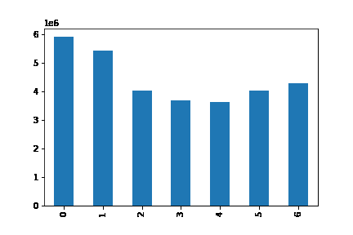
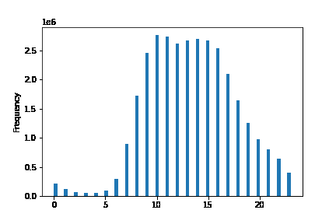

 |  | Days(Saturday- Friday) |  |  |  |  |  |  |  | Hours

The weekends have the most number of orders
Most number of orders are placed between late morning and early evening

Most money spent duruing the day

 |  |  | Money spent per day |  |  |  |  |  | Money spent per hour
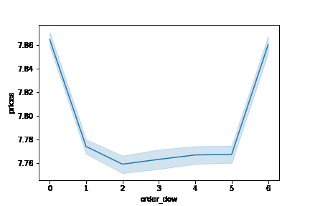
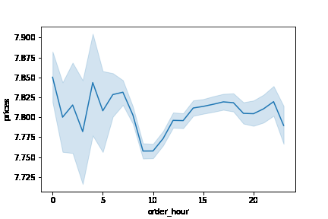

Friday and Saturday has the most expenditure. Friday has more expensive products purchased with limited quantity
Not much fluctuation of price ranges during the day which show low cost products most likely being ordered during the peak hours

Price of products purchased and price ranges

 | Products sold by prices |  |  |  |  | Products sold by price range

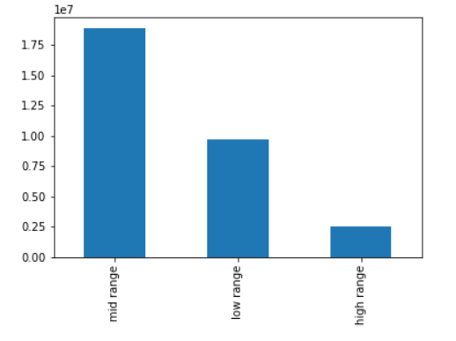

 |  |  |  |  |  |  |  |  |  | Ranges $
 |  |  |  |  |  |  |  |  |  | Low range: 0-5
 |  |  |  |  |  |  |  |  |  | Mid-range: 5-15
 |  |  |  |  |  |  |  |  |  | High range: >15

Low and mid range products are purchased in much higher quantities

Products

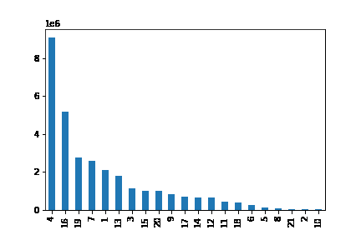
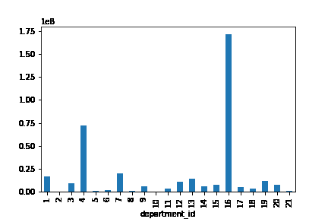
 | Category of products sold |  |  |  |  |  | Revenue per product
 |  |  |  |  |  |  |  |  |  |  | ID | Name
 |  |  |  |  |  |  |  |  |  |  | 1 | frozen
 |  |  |  |  |  |  |  |  |  |  | 2 | other
 |  |  |  |  |  |  |  |  |  |  | 3 | bakery
 |  |  |  |  |  |  |  |  |  |  | 4 | produce
 |  |  |  |  |  |  |  |  |  |  | 5 | alcohol
 |  |  |  |  |  |  |  |  |  |  | 6 | international
 |  |  |  |  |  |  |  |  |  |  | 7 | beverages
 |  |  |  |  |  |  |  |  |  |  | 8 | pets
 |  |  |  |  |  |  |  |  |  |  | 9 | dry goods pasta
 |  |  |  |  |  |  |  |  |  |  | 10 | bulk
 |  |  |  |  |  |  |  |  |  |  | 11 | personal care
 |  |  |  |  |  |  |  |  |  |  | 12 | meat seafood
 |  |  |  |  |  |  |  |  |  |  | 13 | pantry
 |  |  |  |  |  |  |  |  |  |  | 14 | breakfast
Produce and dairy form the highest sale numbers which would relate to the weekend sales |  |  |  |  |  |  |  |  |  |  | 15 | canned goods
Dairy are the highest revenue generator even with lower sales numbers compared to Produce |  |  |  |  |  |  |  |  |  |  | 16 | dairy eggs
 |  |  |  |  |  |  |  |  |  |  | 17 | household
 |  |  |  |  |  |  |  |  |  |  | 18 | babies
Customer Profiles |  |  |  |  |  |  |  |  |  |  | 19 | snacks
 |  |  |  |  |  |  |  |  |  |  | 20 | deli
 | Orders per customer type |  |  |  |  |  |  |  |  |  | 21 | missing
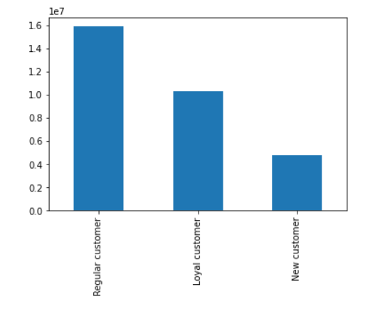

 |  |  |  | loyalty_flag (max orders)
 |  |  |  | > 40 orders: Loyal Customer
 |  |  |  | 11-40 orders: Regular Customer
 |  |  |  | <= 10 orders: New Customer

The platform contains highest number of regular customers which add up to 49% of the total users.

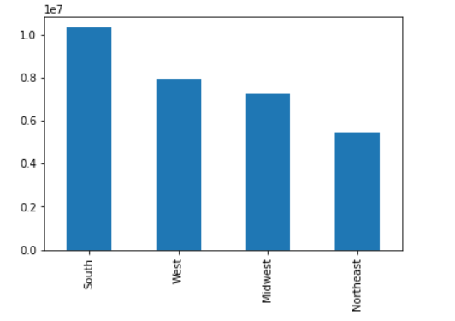
 | Orders per region
 |  |  |  |  |  | High spender | Low spender | % High Spenders
 |  |  |  |  | Midwest | 148829 | 7118878 | 2.05%
 |  |  |  |  | Northeast | 103230 | 5366838 | 1.89%
 |  |  |  |  | South | 199815 | 10120647 | 1.94%
 |  |  |  |  | West | 152710 | 7781717 | 1.92%

The South has the highest number of customers and orders as well.
The mid west has the highest percentage of High spenders at 2.05%

 |  | Orders per age group
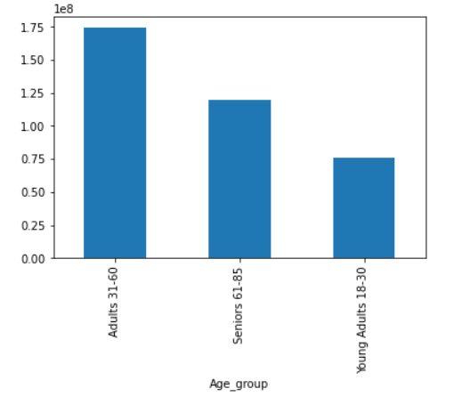

Adults between the age of 31-60 use the platform the most followed by seniors

 | Orders per age group |  |  |  |  | Amount spent per age group
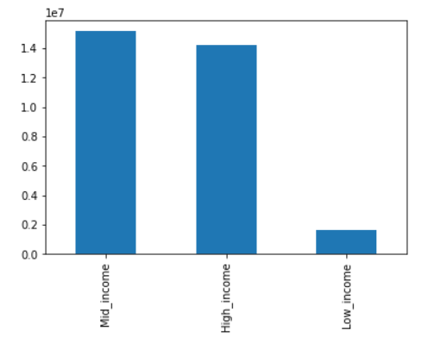
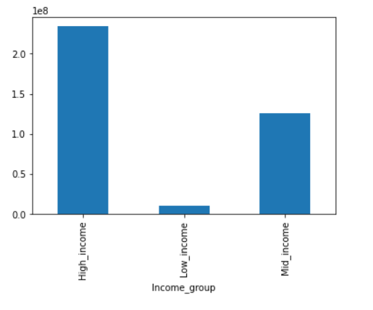

 |  |  |  |  |  |  |  |  |  | Income group
 |  |  |  |  |  |  |  |  |  | 10,000-40,000: Low income
 |  |  |  |  |  |  |  |  |  | 40,000-100,000: Mid income
 |  |  |  |  |  |  |  |  |  | >100,000: High income

Mid income order the most number of products however, the high income spend the most which shows they purchase higher costing products

7. Recommendations
 |  | Title page

Recommendations

In this tab you should include any recommendations you would made to Instcart in terms of their marketing strategy based on the questions posed in the brief. Every key question has been covered in the Tasks of the Exercises - here you need to add an item - a visualisation or table/crosstable that is showing the answer in the data, acompanied by a comment from you. Please, list the questions below and add the answer underneath.

Question | Answer
Key Question 1 | Focus on advertising for weekly special offers as well as offers during the early mornings and late evenings. This will encourage users to also purchase during these times
Key Question 2 | Expensive products are being purchased on Friday and Saturday. Promote these products more during these times. Sunday has more quantity and less expensive day to day products. Advertise for these products more on Sunday and during the week.
Key Question 3 | Create special offers for High Range products as they can be revenue drivers with high potential growth.
Key Question 4 | Add more variety of dairy as this is a very high revenue generator.
 | Remove any short shelf life items from the pructs with low sales such as Bulk items, Pet items and Other
Key Question 5 | Create a loyalty card program to encourage New and Regular users to purchase more and become loyal users. Monitor the Loyal user growth to check the concersion rate of regular users into Loyal users and New users into Regular users.
 | Focus on advertising withing the application/webiste in the South as the customer base is already big and can be converted into loyal users. Focus on advertising campeigns outside the app in other regions to gain a higher user base
Key Question 6 & 7 | Create an incentive program targeting the Young Adults which can help improve their engagement rate. Focus on convenience of the application and delivery terms to grow purchasers from the Senior category as well

